2075
TU 2075 QN 8

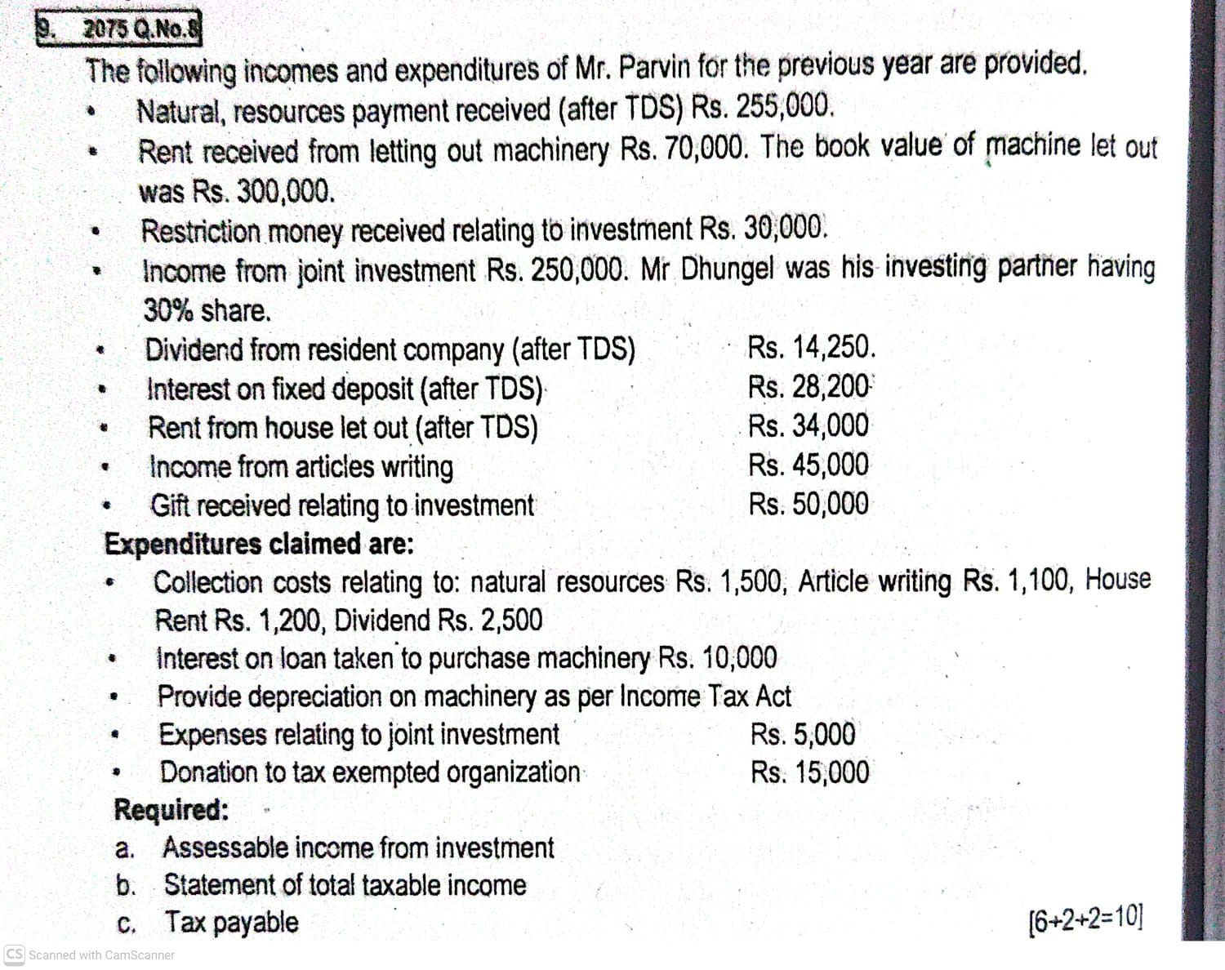
 | Computation of assessable income from investment of Mr. Pravin for income year 2080/81
 | Particulars | Amount | Amount
 | Natural resouce payment 255000/0.85 | 300000
 | Rent from letting out machinery | 70000
 | Restriction of money received relating to investment | 30000
 | Income from joint investment(250000x70%) | 175000
 | Gift recievecd relating to investment | 50000
 | Gross income from investment |  | 625000
 | Less: Allowable deduction
 | collection cost of royalty on natural resource | 1500
 | Interst on machinery | 10000
 | Depreciation on machinery(300000x15%) | 45000
 | Expenses related to joint investment(5000x70%) | 3500
 | Total allowable deducition |  | 60000
 | Adj. Taxable income before investment loss |  | 565000
 | Less: Investment loss |  | 0
 | Adj. Taxable taxable income before PCC RD |  | 0
 | Net assessable income from investment |  | 565000

 | Statement of taxable income
 | Particulars | Amount
 | Net assessable income from investment | 565000
 | Income from profession:
 | income from writing article 45000
 | Less: collection cost of article 1100 | 43900
 | Total assessable income | 608900
 | Less: Donation
 | 5% of 608900= 30445
 | actual donation 15000
 | Max. 100000( whichver is less) | 15000
 | Net Taxable income | 593900

 | C. Tax Liability(Single)
 | Particulars | Amount
 | 1st 500000@0% | 0
 | balance 93900@10% | 9390
 | Total tax payable | 9390
 | Less: Advance Tax deducted source (TDS)
 | TDS on royalti from natural resouces(300000-255000) | 45000
 | Tax refundable | 35610

 | Explanation:
 | Dividend from residend company, interest from fixed deposit is final TDS
 | Rent received from house letout by individual is final TDS

2080
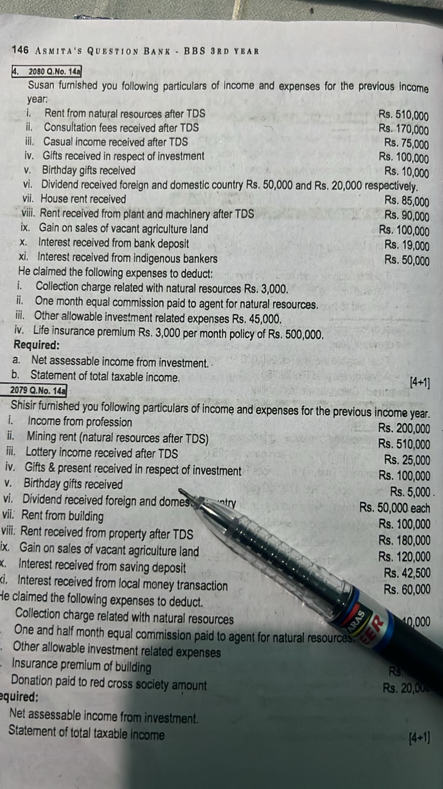
Computation of assessable income from investment of Mr. Susan for income year 2080/81
Particulars | Amount
Rent from natural resources 510000/0.85 | 600000
Consultation fee (170000/0.85) | 200000
Gift received related to investment | 100000
dividend received from foregin country | 50000
Rent from plant and machinery(90000/0.90 | 100000
Gain on sale of agriculture land | 100000
interest from indigenous bankers | 50000
Gross income from investment | 1200000
Less: Allowable deduction
Collection charge of natural resources | 3000
commission paid for natural resouces(600000/12) | 50000
other allowable expneses related to investment | 45000
Total allowable deduction | 98000
Assessable income from investment | 1102000

Statement of taxable income
Particulars | Amount
Assessable income from investment | 1102000
Less: LIP exemption
Actual 3000x12=36000
Max.40000(whichever is less) | 36000
Net taxable income including capital gain | 1066000
Less: Capital gain (gain on sale of agriculture land) | 100000
Net taxable income after capital gain | 966000

Tax liability( Cauple)
Particulars | Amount
1st 600000@0% | 0
Next 200000@10% | 20000
balance@166000@20% | 33200
Capital gain tax on gain in land 100000 @5% | 5000
Total tax liability | 58200
Less: Advance TDS
TDS on rent from natural resources(600000-510000) | 90000
TDS on consultation fee(200000-170000) | 20000
TDS on rent from pkant and machinery(100000-90000) | 10000
Tax refundable | 61800

Explanation
House rent received by individual is final TDS
Dividend from resident company is final TDS
Casual income received is final TDS
Interest received from saving deposit is final TDS
Gift received on birthday is not taxable income

Sheet1
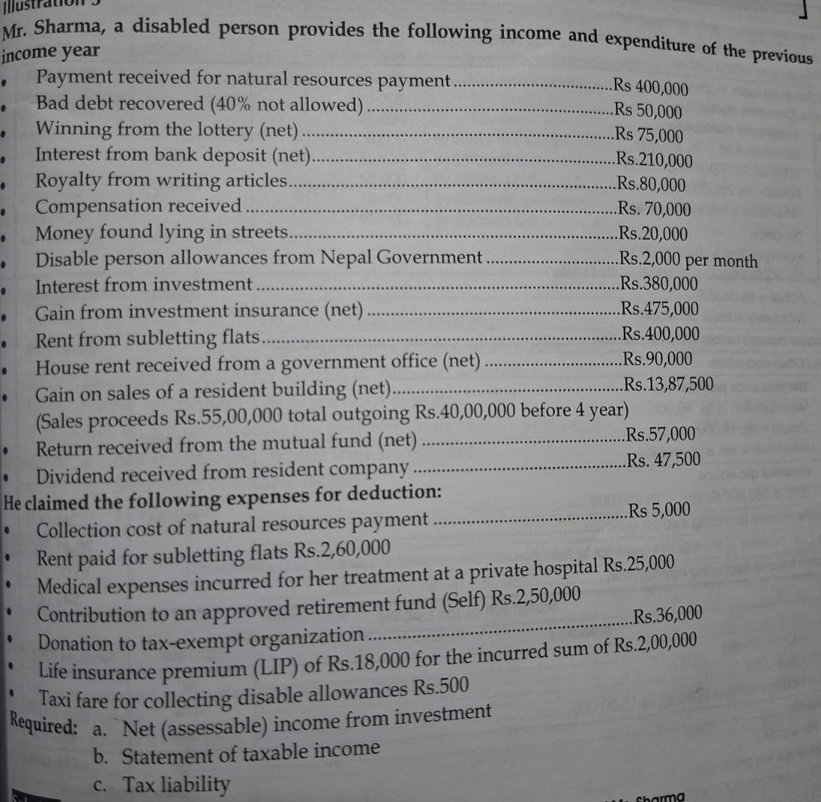
 |  |  | letting out, let out= narkhne
Computation of assessable income from investment of Mr. Sharma for income year 2080/81 |  |  | subletting, subletout= rakhne
Particulars | Amount
Payment received from natural resource | 400000
Baddebt recoved(50000x60%) | 30000
compensaction received | 70000
interest from investment | 380000
Gain on sale of private/resident land/ building | 1500000
(1387500/0.925=1500000 or 5500000-4000000
rent from sebletting flats | 400000
Gross income from investment | 2780000
Less: Allowable deduction
collection cost of natural resources | 5000
Rent paid on sebletting house/flat | 260000
Total allowable deduction | 265000
Assessable income from investment | 2515000

Statement of taxable income
Particulars | Amount
Assessable income from investment | 2515000
Assessable income profession:
royalty from writing articles | 80000
Tolas assessable income | 2595000
Less: Contribution to retirement fund
1/3 of 2595000=865000
actual= 250000 | 250000
Max. 300000( which ever is less)
Donation
5% of (2595000-250000)=117250
actual=36000, max. 100000 | 36000
LIP exemption
actual= 18000
max.40000( whichever is less) | 18000
Disable individual exemption(single)
500000x50%=250000 | 250000
Net taxable income including capital gain | 2041000
less: capital gain on sale of building | 1500000
net taxable income after capital gain | 541000

Tax liability( single)
Particulars | Amount
1st 500000@0% | 0
Balance 41000x10% | 4100 | single= 500000
capital gain on sale of building@1500000x7.5% | 112500 | couple=600000
or (1500000-1387500)= 112500
Total tax payable | 116600
Less: advance TDS on gain on sale of building | 112500
Tax payable | 4100
Less: Medical tax credit
15% of 25000=3750
max.750 (whichever is less) | 750
Net tax payable | 3350

Explanation
House rent received by individual is final TDS , however rent received from subletting house
is included in income it is assumed as gross that is related to business.
interet from bank deposit, dividend from resident, gain from mutual fund, investment insurance is final TDS
Disable allowable is not included income
winning lottery, money lying in street is final TDS

2081
Computation of assessable income from investment of Mr. Hari for income year 2080/81
Particulars | Amount
Income from natural resources(340000/0.85) | 400000
Royalty income(170000/0.85) | 200000
interest from private money lending transaction | 210000
rent from letting assets(90000/0.90) | 100000
compensaction received on investment | 50000
Divided from foreign company | 85000
Gross income from investment | 1045000
Less: allowable deduction
collection cost of natural resources | 1000
collection charge of money lending transaction | 2000
Tax paid to foreign government | 15000
Total allowable deduction | 18000
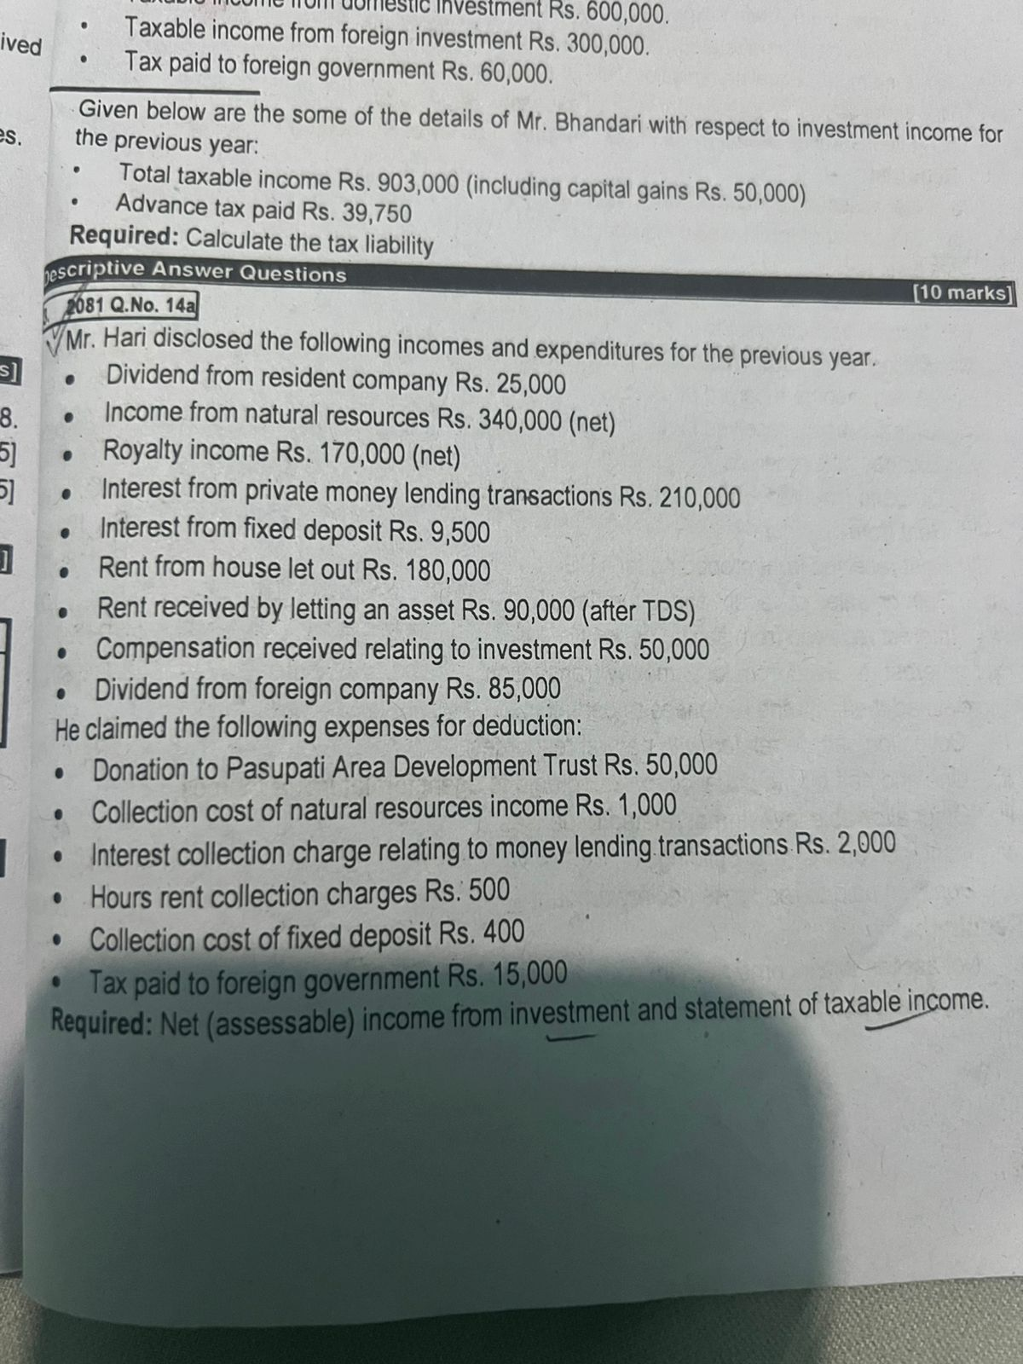
Assessable income from investment | 1027000

Statement of taxable income
Particulars | Amount
Assessable income from investment | 1027000
Assessable income profession/ business | 0
Total Assessable income | 1027000
Less: Donation pasupati area development trust
5% of 1027000=51350
actual 50000 | 50000
max.100000(whichever is less)

Net taxable income | 977000

Statement of tax liability (single)
first 500000@0% | 0
Next 200000@10% | 20000
next 277000@20% | 55400
Total tax liability | 75400
Less: advance TDS
TDS on natural resources(400000-340000) | 60000
TDS on royalty income(200000-170000) | 30000
TDS on letting assets(100000-90000) | 10000
Tax refundable | 24600

Sheet2
Computation of assessable income from investment of Mr. Ram Kripalu for income year 2080/81
Particulars | Amount | Listed company sale( 71400+600)=72000
Interest from private money lending activities | 600000 | Purchase of share=60000
Payment from natural resources(425000+75000) | 500000 | Gain on sale of listed share=12000
Royalty from books123760/085 or 123760+21840 | 145600
amount received in lieu of accpting restriction investment | 73600 | capital gain tax listed 5%= 12000x5%=600
Gain on sale of share listed | 12000
Gross income from investment | 1331200 | income from writing article net, after TDS 5000= xodne
Less: allowable deduction |  | income from writing article 5000 =profession ma rakhne
Collection cost of royalty | 600
Salary to assitants | 60000
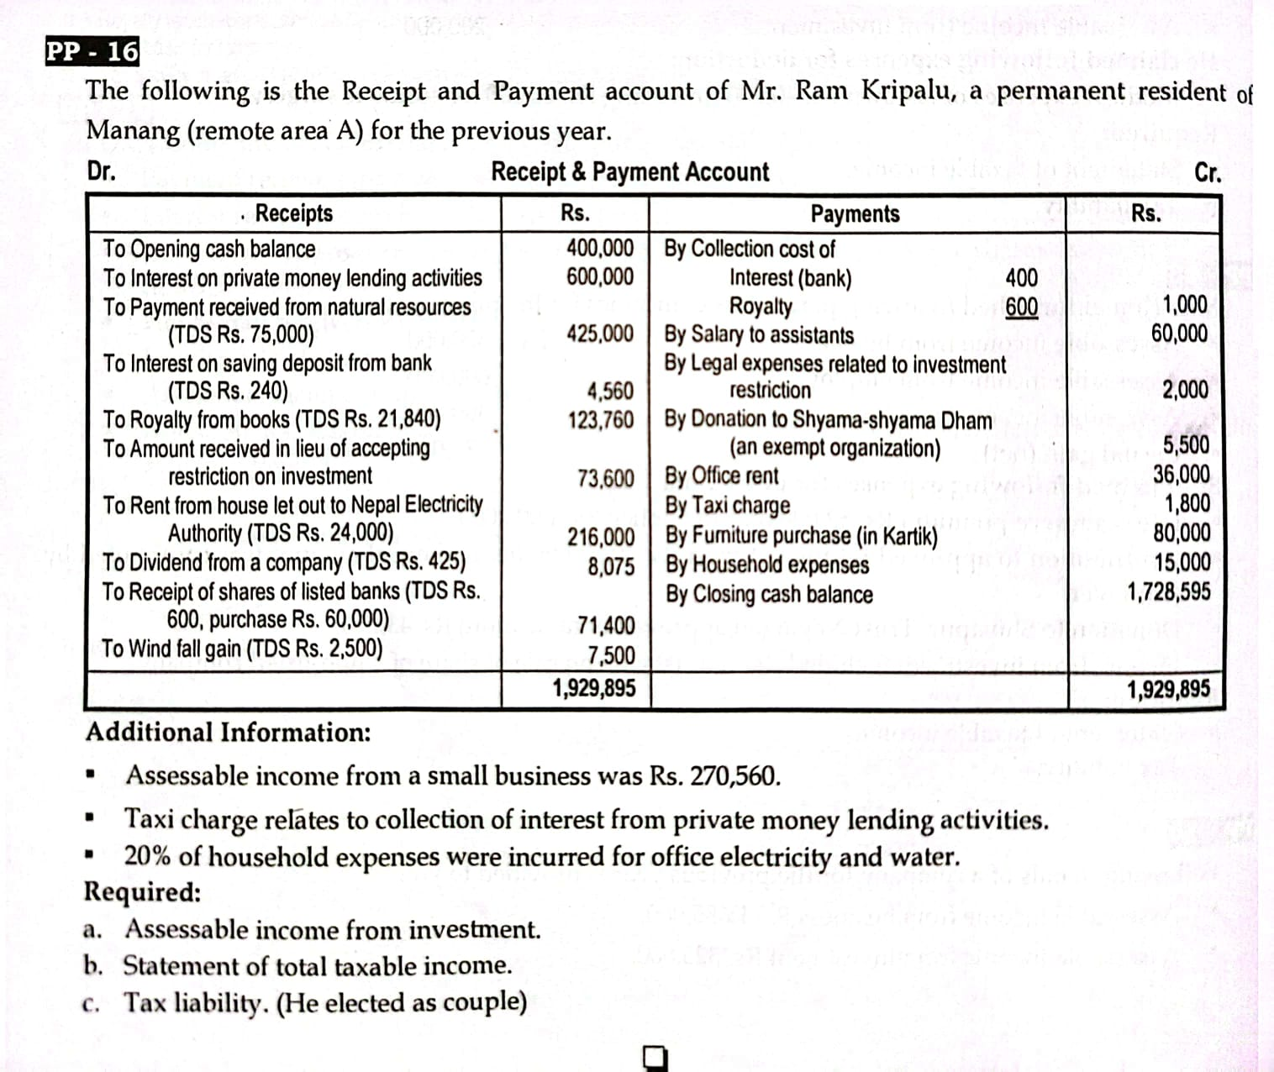
legal expenses relating to investment restriction | 2000
office rent | 36000
taxicharge relating to collection cost of provate money | 1800
office electricity expenses(15000x20%) | 3000
Depreciation on furniture(80000x25%) | 20000
Total allowable deduction | 123400
Net assessable income from investment | 1207800

Statement of taxable income
Particulars | Amount
Net assessable income from investment | 1207800
Assessable income business | 270560
Total assessable income | 1478360
Less: Donation
5% of 1478360=
actual =5500 | 5500
max.100000(whichever is less)
Remote area exemption - A | 50000
Net taxable income inclding capital gain | 1422860
Less: capital gain on sale of share listed | 12000
Net taxable income after capital gain | 1410860

Tax liability ( couple)
600000@0% | 0
next 200000@10% | 20000
Next 300000@20% | 60000
balance(1410860-1100000)=310860@30% | 93258
capital gain tax 12000@5% | 600
Total tax liability | 173858
Less: Advance TDS
Capital gain Tax on share listed 12000x5%=600 | 600
TDS on natural resource payment(425000-500000) | 75000
Royalty from books | 21840
Net tax payable | 76418

Explanation
House rent received by individual is final TDS
Intrest from bank and dividend from resident company is final TDS
windfall gain is final TDS subject to @25%

